1. Title Page
[Project Name]

Project Name: Instacart Grocery Basket Analysis
Date:06/02/2024
Analyst Name: Debora Frassini

Contents:
Population Flow
Consistency checks
Wrangling steps
Column derivations
Visualizations
Recommendations

2. Population Flow
Title page

Population flow

Exclusion flag
Condition: max_order < 5
Obervations to be removed: 1,441,548
Final total count of order_products_all: 30,992,664

Orders_products_combined
Orders_products_merged
Orders_products_all

Total: 32,424,212
Total: 32,434,489
Total: 32,424,312

1.) The grey boxes in the first row of the population flow represent the original data sets as they were when you downloaded them. In the Total fields you need to add the count of the rows when you imported the data set into Jupyter.
2.) The second row of boxes (coloured) represents the data sets after you manipulated them, e.g., removed missing values and duplicates. In the Total fields you need to add the count of the rows after conducting these operations. This offers a visual oveview of how the data flows throughout the data consistency checks.
3.) The third row, where also the arrows are coloured, represents the merges you performed between the datasets. In the Total fields you need to add the count of the rows in the merged datasets, so that you end up with the final dataset (in the red box). Keep in mind the final dataset should be without exclusions (based on the exclusion flag).

3. Consistency checks
 |  |  |  | Title page
Consistency checks

Dataset | Missing values | Missing values treatment | Duplicates
orders | 206,209 | N/A - represented customer first order. | N/A
products | 16 | Removed from dataframe | 5
orders_products_prior | N/A | N/A | N/A
customers | N/A | N/A | N/A
ords_prods_cust_merged | N/A | N/A | 1182
instacart_all_nopii_excluded | N/A | N/A | N/A

4. Wrangling steps
 |  |  |  | Title page
Wrangling steps

Columns dropped | Columns renamed | Columns' type changed | Comment/Reason
 | oder_dow |  | renamed to: order_day_of_week
 | days_since_prior_order |  | renamed to: days_since_last_order
 | First Name |  | renamed to: first_name
 | Surnam |  | renamed to: last_name
 | Gender |  | renamed to: gender
 | STATE |  | renamed to: state
 | Age |  | renamed to: age
 | n_dependants |  | renamed to: number_dependants
 | fam_status |  | marital_status
first_name |  |  | removed PII information
last_name |  |  | removed PII information

Notes:
Original data | Type | Latest prepared data | Type
Orders: |  | Instacart_noPII_noExclude
order_id | int64 | order_id | int64
user_id | int64 | user_id | int64
eval_set | object | eval_set | object
order_number | int64 | order_number | int64
order_dow | int64 | orders_day_of_week | int64
order_hour_of_day | int64 | order_hour_of_day | int64
days_since_prior_order | float64 | days_since_last_order | float64

Products:
product_id | int64 | X
product_name | object | product_name | object
aisle_id | int64 | aisle_id | int64
department_id | int64 | department_id | int64
prices | float64 | prices | float64

Orders_prior
order_id | int64 | X
product_id | int64 | product_id | int64
add_to_cart_order | int64 | add_to_cart_order | int64
reordered | int64 | reordered | int64

Customer
user_id | int64
First Name | object | X
Surnam | object | X
Gender | object | gender | object
STATE | object | state | object
Age | int64 | age | int64
date_joined | object | date_joined | object
n_dependants | int64 | number_dependants | int64
fam_status | object | marital_status | object
income | int64 | income | int64

 |  | New Columns
 |  | price_range_loc
 |  | busiest_days
 |  | busiest_period_of_day
 |  | max_order
 |  | loyalty_flag
 |  | mean_prod_price
 |  | spending_flag
 |  | median_days_last_order
 |  | frequency_flag
 |  | _merge
 |  | region
 |  | exclude_flag
 |  | age_group_flag
 |  | income_flag
 |  | dependants_flag

5. Column derivations
 |  |  |  | Title page

Column derivations and aggregations

In this tab you should add tables below that the frequences of flags/label variables that you produced after deriving them. NB: don't do this for continuous variables, only for flags.
Dataset | New column | Column/s it was derived from | Conditions
orders_products_merged | price_range_loc | prices | High-range product (417,682): IF price > 15. Mid-range product (21,890,146): IF 15 >= price > 5. Low-range product (10,126,384): IF 5 >= price.
orders_products_merged | busiest_days | orders_day_of_week | Busiest days (11,875,462): IF oders_day_of_week == 0 or ==1. Slowest days (7,631,289): IF orders_day_of_week == 4 or ==3. Regular days (12,927,461): IF else ( ==2, ==5, ==6).
orders_products_merged | busiest_period_of_day | order_hour_of_day | Most Orders (21,137,262): IF order_hour_of_day in [10, 11, 14, 15, 13, 12, 16, 9]. Average Orders (10,006,752): IF order_hour_of_day in [17, 8, 18, 19, 20, 7, 21, 22]. Fewest orders (1,290,198): IF order_hour_of_day in [23, 6, 0, 1, 5, 2, 4, 3].
orders_products_merged | max_order | user_id, order_number | Calculate the max order number of an customer using "groupby" [user_id] and [order_number].transform(np.max)
orders_products_merged | loyalty_flag | max_order | Loyal Customer (10,293,737): IF max_order > 40. Regular Customer (15,891,077): IF 40 >= max_order >10. New Customer (6,249,398): IF max_order <= 10.
orders_products_merged | mean_prod_price | user_id, prices | Calculate the max order number of an customer using "groupby" [user_id] and [prices].transform(np.mean)
orders_products_merged | spending_flag | mean_prod_price | Low spender (31,798,751): IF mean_prod_price < 10. High spender (635,461) IF mean_prod_price >= 10.
orders_products_merged | median_days_last_order | user_id, days_since_last_order | Calculate the max order number of an customer using "groupby" [user_id] and [days_since_last_order].transform(np.median)
orders_products_merged | frequency_flag | median_days_last_order | Non-frequent customer (3,639,669): IF median_days_last_order > 20. Regular-frequent customer (7,217,134): IF 20 >= median_days_last_order > 10. Frequent customer (21,577,409): IF median_days_last_order <=10.
instacart_all | region | state | South (10,801,610): IF state is in: ['Delaware', 'Maryland', 'District of Columbia', 'Virginia', 'West Virginia', 'North Carolina', 'South Carolina', 'Georgia', 'Florida', 'Kentucky', 'Tennessee', 'Mississippi', 'Alabama', 'Oklahoma', 'Texas', 'Arkansas', 'Louisiana']. West (8,300,445): IF state is in: ['Idaho', 'Montana', 'Wyoming', 'Nevada', 'Utah', 'Colorado', 'Arizona', 'New Mexico', 'Alaska', 'Washington', 'Oregon', 'California', 'Hawaii']. Midweast (7,603,810): IF state is in: ['Wisconsin', 'Michigan', 'Illinois', 'Indiana', 'Ohio', 'North Dakota', 'South Dakota', 'Nebraska', 'Kansas', 'Minnesota', 'Iowa', 'Missouri']. Northeast (5,728,347): IF state is in: ['Maine', 'New Hampshire', 'Vermont', 'Massachusetts', 'Rhode Island', 'Connecticut', 'New York', 'Pennsylvania', 'New Jersey'].
instacart_all | exclude_flag | max_order | Exclude (1,441,548): IF max_order < 5. Not_exclude (30,992,664): IF max_order >= 5.
instacart_all | age_group_flag | age | Young Person (3,418,316): IF 25 > age >= 18. Adult Person (7,256,334): IF 40 > age >=25. Senior Person (12,115,268): IF 65 > age >= 40. Elder Person (8,202,746): IF age >= 65.
instacart_all | income_flag | income | Lower class (0): IF income < 25,000. Lower middle class (5,808,504): IF 60,000 > income >= 25,000. Middle class (5,193,681): IF 60,000 >= income > 80,000. Upper middle class (10,802,845): IF 80,000 >= income > 120,000. Higher class (9,187,634): IF income >= 120,000.
instacart_all | dependants_flag | number_dependants | There_is_dependants (23,245,632): if number_dependants >0 No dependants (7,747,032): IF number_dependants == 0.

Notes
price_range_loc
busiest_days
busiest_period_of_day
max_order
loyalty_flag
mean_prod_price
spending_flag
median_days_last_order
frequency_flag
_merge
region
exclude_flag
age_group_flag
income_flag
dependants_flag

6. Visualizations
 |  |  |  |  |  | Title page

Visualisations

In this tab you should include all the visualtions from Exercises 4.9 and 4.10, alongside the questions from the project brief that they answer. Include any commentary on the relationship between different variables.

Busiest Hour of the day. |  |  |  |  | Busiest days on of the week



Graph 1
 | This histogram displays the frequency over orders during the day. As it is possible to see from the graph, after 6 AM, the order starts to rapidly increase, with a "rush"hours between 9 AM till 4 PM. After 4 PM, the orders start to slowly decrease until 11 PM. Multiple teams can take advantage of such data, for example: Employee shifts and distribution, higher number of people between 9 AM to 4 PM. Also, this means higher volume of application usage during those orders, increase allocation of resources to ensure the application runs smooth to the customer, etc. |  |  | Graph 2
 |  |  |  |  | Assuming 0 is Sunday and 6 is Saturday. This chart displays the which week days received more orders overall. As you can see, 0 (Sunday) and 1 (Monday) are usually the busiest days. While 3 (Wednesday) and 4 (Thursday) are the slowest days.

 | Average Price of Products sold per hour.
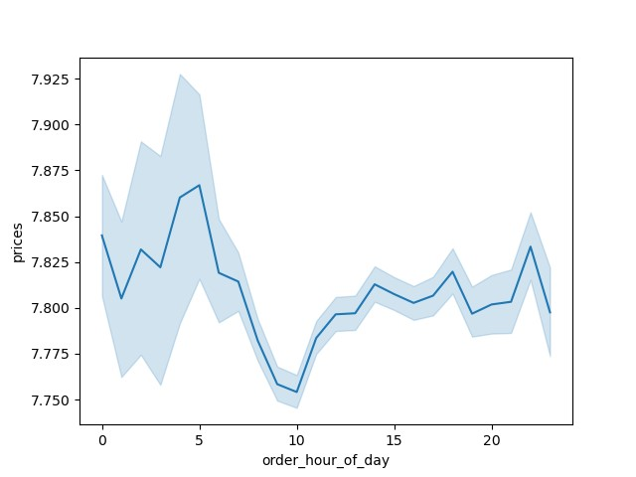

 | As you can see from the graph, near 10AM, the customers spend less money on groceries. Perhaps the reason would be ordering a quick lunch for the day, or just a few ingredients to complete cooking th meal. For those, we recommend inspect what types of products are sold between 9 and 11 AM. Also, similarly, inspect what type of products are being sold between midnight and 5 AM, as they appear to have an elevated average price. | Graph 3

Customer-Profile: Age Groups |  |  |  |  |  |  | Customer-Profile: Income Groups
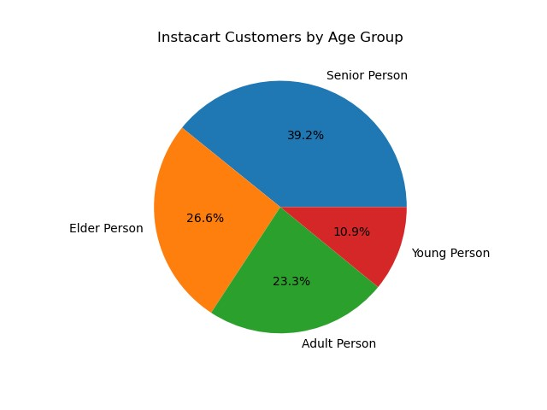
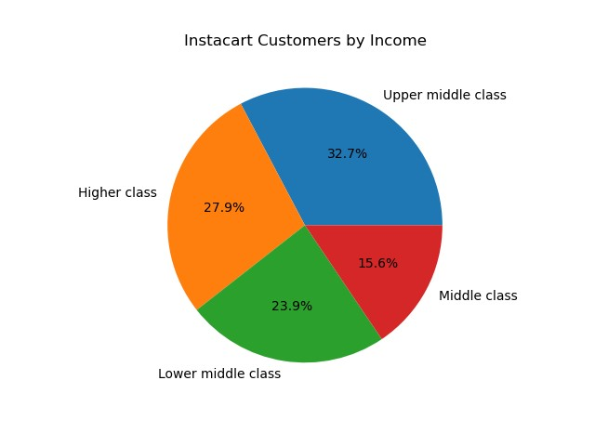

Graph 4 |  |  |  |  |  |  | Graph 5 |  | Instacart customers are predominantly from Upper Class and Upper Middle Class, with income 80k+. While for Middle class and Lower Middle class. There is no customers that receives less than 25k+ yearly. This indicates that this product is used mainly by customer that has the ability to afford such service.
 | The customer profiling for Instacart is very well balance among Age Groups. While Young Persons (between 18 and 24), is the smaller population among customers, Senior Persons (between 40 and 64) compass the biggest group. Besides Adult Person (between 25 and 39) and Elder person (65 and +) combined reach 50% of Instacart customers.

 |  | Customer-Profile: Age Groups

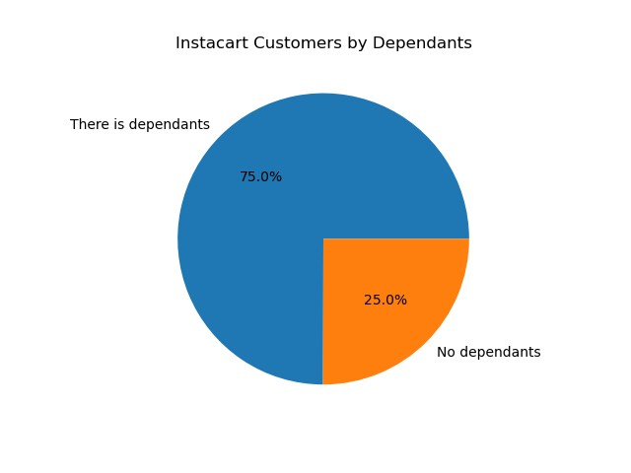

 |  | Graph 6

 |  |  | Most Instacart customer has dependants, which means a spouse, parents associated with their Instacart accounts.

 |  |  |  | Instacart Customer - Region Analysis

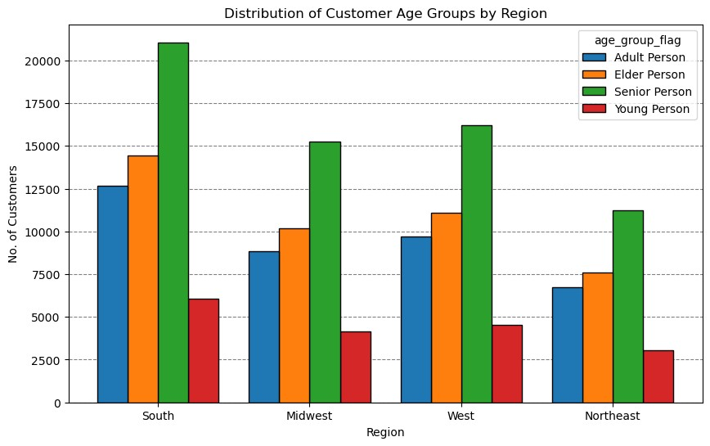
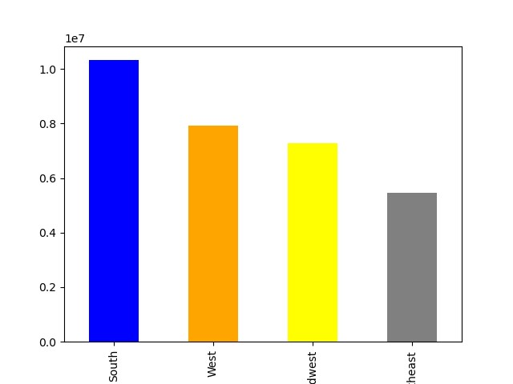

Graph 7
 |  |  |  |  |  |  |  | Graph 8

 |  |  |  | The distribution of customers among the regions reflects similarly of what the profiling suggests. In all four regions, Senior Person are predominant, followed by Elder, Adult, and Young. Although from this graph we can determine that Instacart Customers are higher from the South region.

7. Recommendations
 |  | Title page

Recommendations

In this tab you should include any recommendations you would made to Instcart in terms of their marketing strategy based on the questions posed in the brief. Every key question has been covered in the Tasks of the Exercises - here you need to add an item - a visualisation or table/crosstable that is showing the answer in the data, acompanied by a comment from you. Please, list the questions below and add the answer underneath.

Question | Answer
What are the Busiest Hours of the Day? | The graph 1 in the visualizations tab shows that after 6 AM, the order starts to rapidly increase, with a "rush"hours between 9 AM till 4 PM. After 4 PM, the orders start to slowly decrease until 11 PM
What are the Busiest days of the Week? | The graph 2 in the visualizations tab shows that Sunday (0) and Monday (1) are the two busiest days of the week, while Wednesday and Thursday are the slowest days.
What times of the day, items with higher price are sold? | According to graph 3 in the visualizations tab, between 3 AM and 5 AM, customers usually buys more expensive items in average in comparison to other hours of the day.
How is the distribution of Instacart customers among regions? | According to graph 8, most Instacart customers are from the South region. This can indicate a redistribution of marketing focused on other regions or states with potential to bring Instacart revenue.
What are the top 5 departments and the low 5 departments for Instacart? | Top 5 - Produce, Dairy, Snacks, Beverages, Froze. Low 5 - Bulk, Missing, Pets, Alcohol, International.

